Request
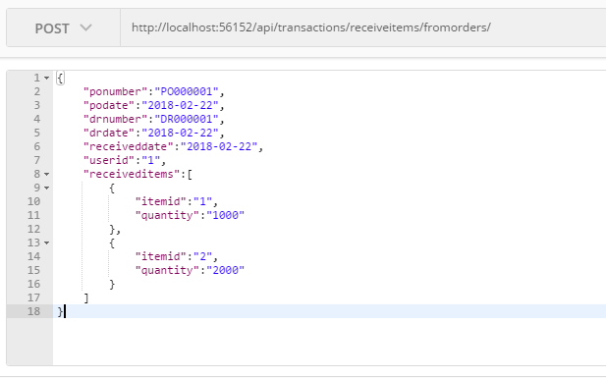
Parameter | Data Type | Length | Required | Unique | Remarks
Token | String |  | Yes |  | Bearer Token see AuthenticateAPI docu
PONumber | String |  | Yes
PODate | Date |  | Yes
DRNumber | String |  | Yes
DRDate | Date |  | Yes
ReceivedDate | Date |  | Yes
Remarks | String
UserId | Int |  | Yes
ReceivedItems | Array |  | Yes
ItemId | Int |  | Yes
Quantity | Int |  | Yes
Remarks | String

Example

Response
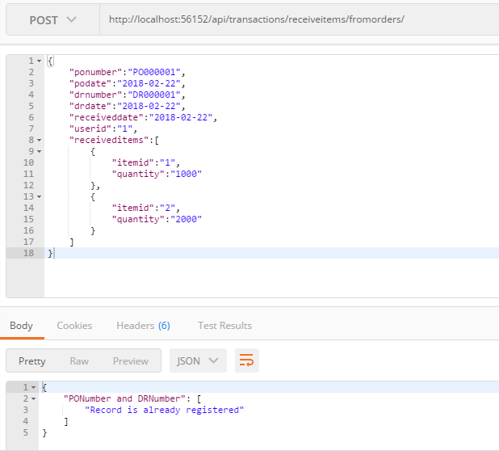
With error

